Sheet2
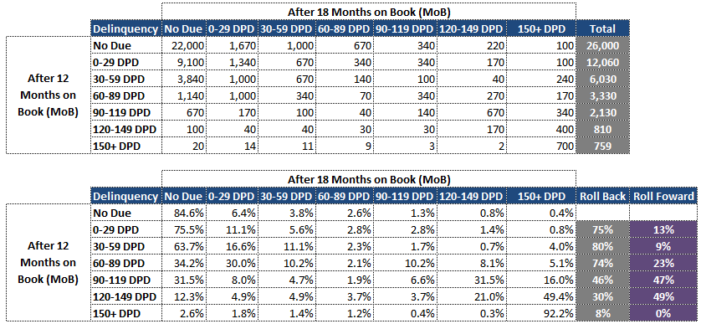
 | Back | Same | Fwd
26000 |  | 2200
12060 | 9100 | 1340 | 1620 | 75% | 11% | 13%
6030 | 4840 | 670 | 520 | 80% | 11% | 9%

